工作表1
Only soil
Date | 2022-06-24 | 2022-06-27 | 2022-06-30 | 2022-07-04 | 2022-07-07 | 2022-07-11 | 2022-07-14 | 2022-07-18 | 2022-07-21 | 2022-07-25
Group A: only soil | length(cm)
A1 | 9.5 | 9 | 9.5 | 10.5 | 11 | 16.5 | 20 | 23 | 22.5 | Eaten
A2 | 8 | 7.5 | 10 | 12 | 11.5 | 14.5 | 19 | 21 | 21.5 | Eaten
A3 | 8.5 | 8 | 9.5 | 11.5 | 13.5 | 18.5 | 21 | 25 | 24.5 | Eaten
A4 | 10.5 | 7 | 9.5 | 11.5 | 13.5 | 18 | 21 | 24 | 26 | Eaten
A5 | 14.5 | 12 | 13 | 16.5 | 18 | 20 | 22.5 | 30 | 31 | 34.5
A6 | 12 | 11 | 12 | 14 | 16 | 16.5 | 25.5 | 31.5 | 34 | 37
A7 | 10.5 | 8 | 10.5 | 15.5 | 19.5 | 18 | 28.5 | 30.5 | 34.5 | 34.5
A8 | 13.5 | 12 | 13.5 | 16 | 19 | 19 | 28 | 33 | 37 | 40

Date | 2022-06-24 | 2022-06-27 | 2022-06-30 | 2022-07-04 | 2022-07-07 | 2022-07-11 | 2022-07-14 | 2022-07-18 | 2022-07-21 | 2022-07-25
Group B: Horse manure + soil | length(cm)
B1 | 10 | 8 | 9.5 | 10 | 10 | 10 | 10 | 10 | 10 | 12.5
Horse Dung
B2 | 8 | 8 | 10 | 10 | 10.5 | 10.5 | 10 | 10 | 10 | 9.5
B3 | 7.5 | 7 | 8 | 8.5 | 8.5 | 8.5 | 8 | 8.5 | 9 | 9
B4 | 9 | 6 | 8.5 | 9 | 9 | 9.5 | 9 | 9 | 8.5 | Dead
B5 | 12 | 10 | 11 | 11.5 | 12 | 12 | 12 | 12 | 12.5 | 12.5
B6 | 10 | 9 | 10 | 10.5 | 10 | 10.5 | 10.5 | 10.5 | 10.5 | 10.5
B7 | 11.5 | 10.5 | 12 | 12 | 12 | 12 | 12 | 12 | 11 | 11
B8 | 9 | 9 | 10 | 10 | 11 | 11 | 11 | 11 | 12.5 | 12.5

Date | 2022-06-24 | 2022-06-27 | 2022-06-30 | 2022-07-04 | 2022-07-07 | 2022-07-11 | 2022-07-14 | 2022-07-18 | 2022-07-21 | 2022-07-25
Group C : Terra Preta | length(cm)
C1 | 9.5 | 9 | 10 | 10 | 10.5 | 10.5 | 11 | 13 | 15 | 12
C2 | 11.5 | 9 | 11 | 11 | 11 | 11 | 11 | 10.5 | 11 | 11
C3 | 8.5 | 8.5 | 8.5 | 8.5 | 9 | 9 | 9 | 8.5 | 8.5 | 8.5
C4 | 11 | 9 | 10 | 10 | 10 | 10 | 10 | 10 | 10.5 | 11.5
C5 | 12 | 10.5 | 13 | 13.5 | 14 | 14 | 14 | 17.5 | 19 | 21
Terra Preta
C6 | 12 | 7.5 | 12 | 13 | 13 | 13 | 12.5 | 15.5 | 16.5 | 19.5
C7 | 9 | 7.5 | 10 | 10 | 11 | 11 | 11.5 | 11 | 12 | 12
C8 | 13 | 11 | 12.5 | 13.5 | 14 | 14 | 15 | 14.5 | 14.5 | 18

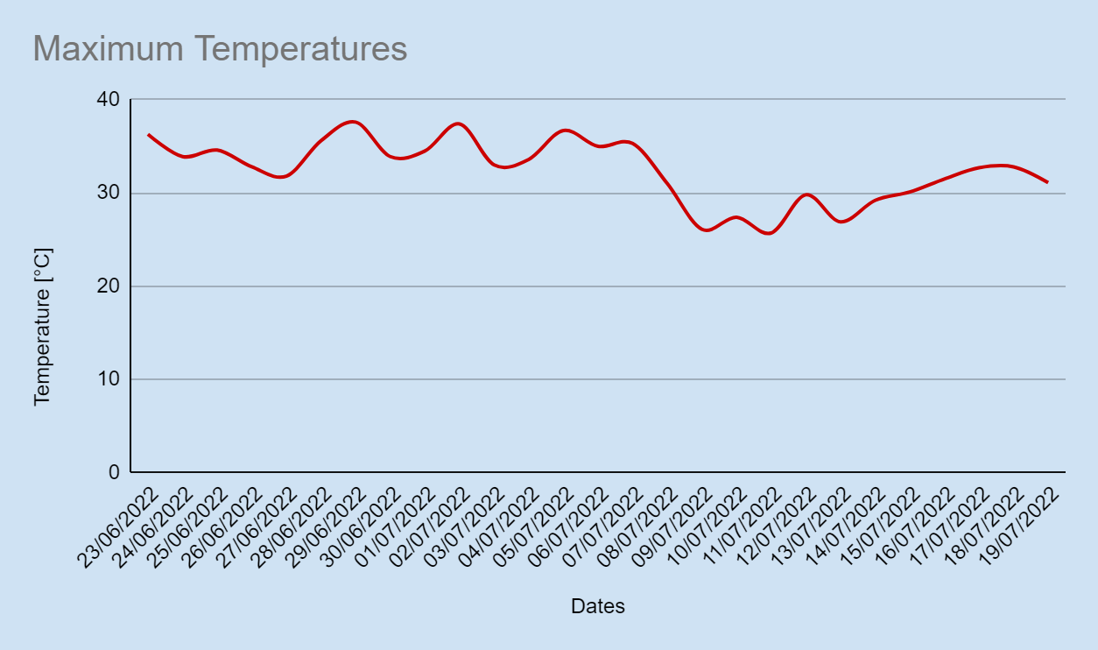
Date | Max. Temperature [°C] | Rainfall [l/m2]
2022-06-23 | 36.3 | 0
2022-06-24 | 33.9 | 0
2022-06-25 | 34.6 | 0
2022-06-26 | 32.8 | 0
2022-06-27 | 31.8 | 0
2022-06-28 | 35.6 | 0
2022-06-29 | 37.6 | 0
2022-06-30 | 33.9 | 0
2022-07-01 | 34.5 | 0
2022-07-02 | 37.4 | 0
2022-07-03 | 33.0 | 0
2022-07-04 | 33.6 | 0
2022-07-05 | 36.7 | 0
2022-07-06 | 35.0 | 0
2022-07-07 | 35.3 | 0
2022-07-08 | 31.0 | 0
2022-07-09 | 26.1 | 0
2022-07-10 | 27.4 | 0
2022-07-11 | 25.7 | 0
2022-07-12 | 29.8 | 0
2022-07-13 | 26.9 | 0
2022-07-14 | 29.2 | 0
2022-07-15 | 30.1 | 0
2022-07-16 | 31.5 | 0
2022-07-17 | 32.7 | 0
2022-07-18 | 32.8 | 0
2022-07-19 | 31.1 | 0
2022-07-20 | 30.5 | 0
2022-07-21 | 31.8 | 0
2022-07-22 | 33.0 | 0
2022-07-23 | 33.1 | 0
2022-07-24 | 32.5 | 0
2022-07-25 | 33.5 | 0
2022-07-26 | 33.1 | 0
2022-07-27 | 32.4 | 0

